Battery pack (DCDC Converter )
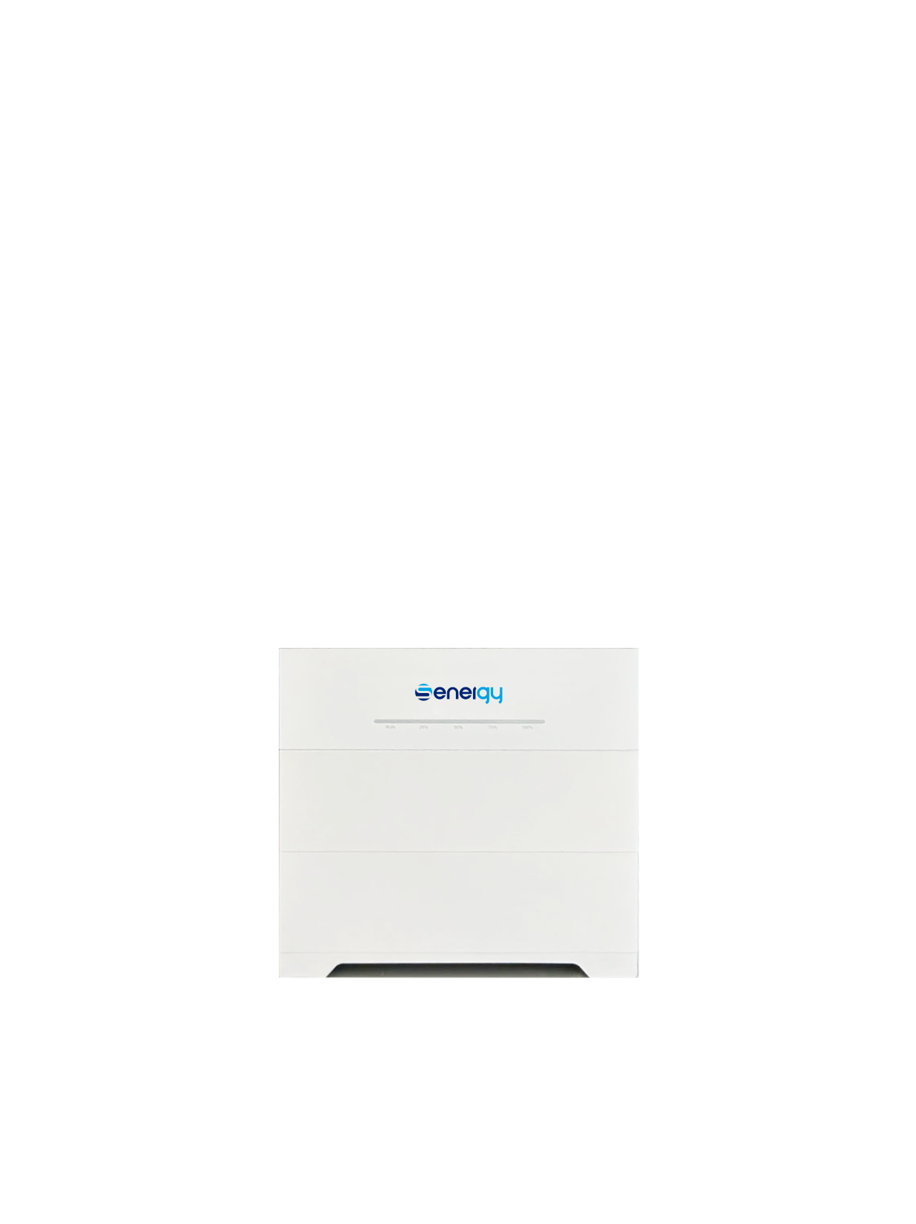
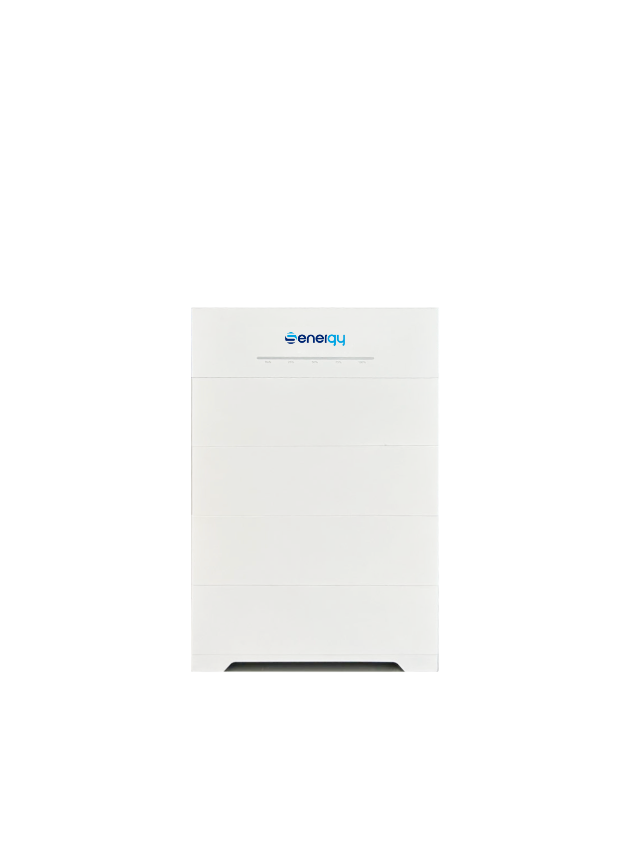
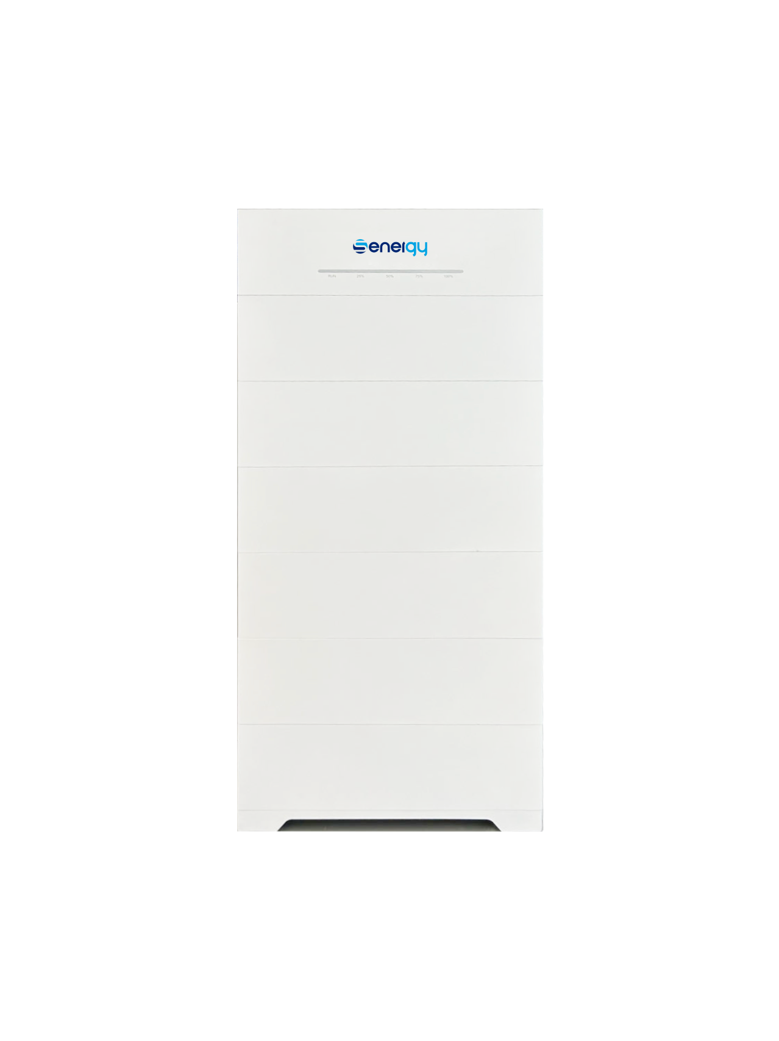

Data Sheet
Mode | SE B11.0-153.6V | SE B16.5-230.4V | SE B22.0-307.2V | SE B27.5-384.0V | SE B33.0-460.8V | SE B38.5.0-537.6V | SE B44.0-614.4V
Battery Type | LiFePO4 ，Prismatic Cell
Battery module | 5.5kWH / 45kg
Norminal energy | 11kWh | 16.5kWh | 22.0kWh | 27.5kWh | 33.0kWh | 38.5kWh | 44.0kWh
Energy usable | 10.45kWh | 15.68kWh | 20.90kWh | 26.12kWh | 31.35kWh | 36.6kWh | 41.8kWh
Charge/Discharge Current continuous | 50A / 72A
Max.Charge/Discharge Current | 72A / 72A
Norminal Voltage | 153.6V | 230.4V | 307.2V | 384.0V | 460.8V | 537.6V | 614.4V
Operating voltage | 129.6V~175.2V | 194.4V~262.8V | 259.2V~350.4V | 324.0V~438.0V | 388.8V~525.6V | 441.6V~624.0V | 518.4V~700.8V
Cycle life | 6000， 70% EOL
W×D×H（mm） | 650*600*350 | 650*770*350 | 650*940*350 | 650*1110*350 | 650*1280*350 | 650*1450*350 | 650*1620*350
Net weight (kg) | 110 | 155 | 200 | 245 | 290 | 335 | 380
Installation | Floor standing / Wall- mounted
Operation temperature | Charge 0-50℃ Discharge -20-50℃
Transmit Certification | UN38.3
Safety | EN 62619, EN62477 ，EN62040，CE
EMC | EN 61000-3-2/3
Protection Degree | IP65
Max. Altitude | 4000
Noise emission | <35
Humidity | 0-95
Cooling | Natural Cooling
Fire-fighting | Aerosol fire extinguisher（optional）
Warranty（Years） | 10
Display | LED
Communication interface | CAN,RS485
 | USB（Firmware upgrade）

